1. SOURCES FINAL
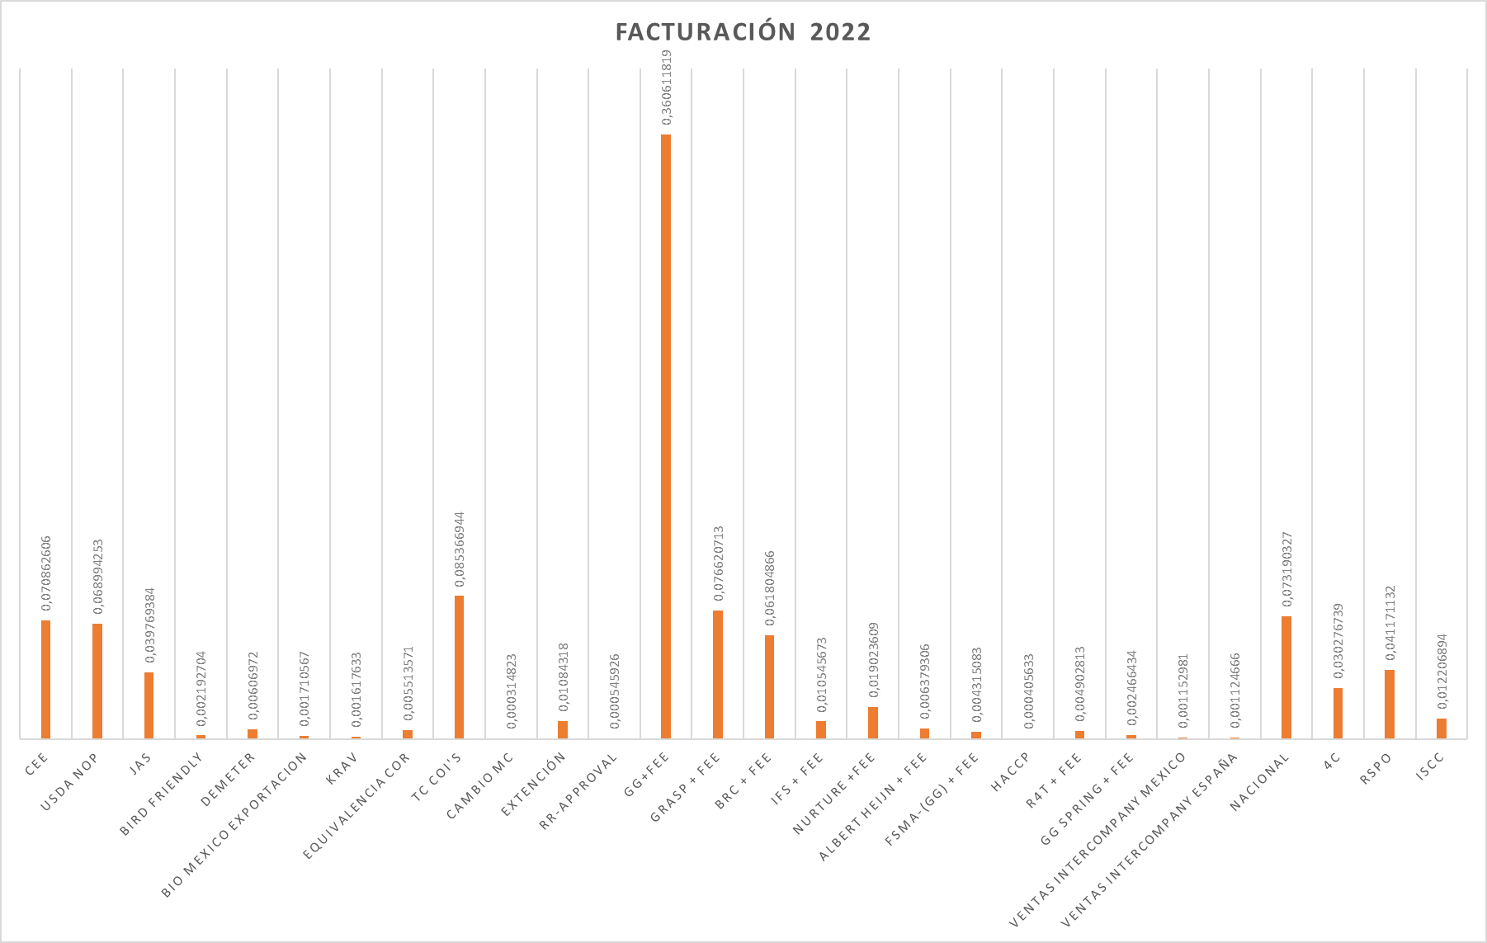
1. SOURCES OF FUNDING
KIWA COLOMBIA SAS SAS identified with Nit 830.136.612 - 3 with address in the city of Zipaquirá, is made up of an authorized capital, divided into (100) shares, according to the Certificate of Existence and Legal Representation.The main sources of financing for KIWA COLOMBIA SAS are: CEE • NOP • JAS • Global G.A.P. • Certificación Nacional (Res. 187/2006 y Res 199/2017) • COR (Canadá) • 4 C • KOC (Corea) • Biossuise • BRC • HACCP • GRASP • TESCO • S&D • BIRD FRIENDLY RSPO 3. Interpretation courses of the Standards 4. Pre-audits 5. Revolving credit with Banco de Bogotá The following graph shows the distribution by sources of income from January 1 to December 31, 2017: 6. Documents, supporting records: • Business Management Analysis • Balance sheets: Income Statement, Balance Sheet • Graphic Analysis • Billing • Budget Control •Statutes • Source: K:\Accounting Area\German Reports

